Solution 2
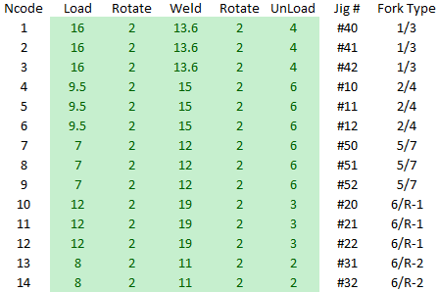

Working Time (s) |  | Ncode | Jig # | Type | Cell | Load | Rotate | Waiting for other side | Weld | Rotate | UnLoad | Cycle Time | Production per shift |  | Total Production per fork | 30%
24600 |  | 4 | #10 | 2/4 | 0 | 9.5 | 2 | 0 | 15 | 2 | 6 | 34.5 | 0 | 1/3 | 1000 | 300
 |  | 1 | #40 | 1/3 | 0 | 16 | 2 | 0 | 13.6 | 2 | 4 | 37.6 | 0 | 2/4 | 910 | 273 | 90
 |  | 3 | #42 | 1/3 | 1 | 16 | 2 | 11.6 | 13.6 | 2 | 4 | 49.2 | 500 | 5/7 | 1266 | 379 | 266 | 356
 |  | 14 | #32 | 6/R-2 | 1 | 8 | 2 | 24.2 | 11 | 2 | 2 | 49.2 | 500 | 6/R-1 | 1068
 |  | 13 | #31 | 6/R-2 | 2 | 8 | 2 | 24.2 | 11 | 2 | 2 | 49.2 | 500 | 6/R-2 | 1000 | 300 | 0 | 90 | 266
 |  | 2 | #41 | 1/3 | 2 | 16 | 2 | 11.6 | 13.6 | 2 | 4 | 49.2 | 500
 |  | 7 | #50 | 5/7 | 3 | 7 | 2 | 25 | 12 | 2 | 6 | 54 | 455
 |  | 6 | #12 | 2/4 | 3 | 9.5 | 2 | 19.5 | 15 | 2 | 6 | 54 | 455
 |  | 8 | #51 | 5/7 | 4 | 7 | 2 | 25 | 12 | 2 | 6 | 54 | 455
 |  | 5 | #11 | 2/4 | 4 | 9.5 | 2 | 19.5 | 15 | 2 | 6 | 54 | 455
 |  | 11 | #21 | 6/R-1 | 5 | 12 | 2 | 31 | 19 | 2 | 3 | 69 | 356
 |  | 10 | #20 | 6/R-1 | 5 | 12 | 2 | 31 | 19 | 2 | 3 | 69 | 356
 |  | 9 | #52 | 5/7 | 6 | 7 | 2 | 40 | 12 | 2 | 6 | 69 | 356
 |  | 12 | #22 | 6/R-1 | 6 | 12 | 2 | 31 | 19 | 2 | 3 | 69 | 356
 |  |  |  |  |  |  |  |  |  |  |  |  | 5244

Evolutionary solver

Goal: | Maximize production output
By changing: | Welding jigs position
According to: | Inputs

Assumptions: | Possible waiting time: |  |  | Waiting Time1 = Welding2 + Welding 3+ Welding 4 - 2xRotation - Unload1 - Load1
 | Working time in 1 shift (s): |  |  | 24600

Constrains: | 6/R-1 and 6/R-2 production cannot have a production difference bigger than (%): |  |  |  |  |  |  | 1.0% |  | 1057
 | All the 4 shift forks must have a similar output each shift (%): |  |  |  |  |  |  | 30%

Sheet1
 |  | Load | Rotate | Waiting for welding source | Welding Time | Rotate | Unload | Total Time
Cell1 | 1/3 | 3 | 1 | 0 | 15 | 1 | 3 | 23
 | 1/3 | 3 | 1 | 0 | 15 | 1 | 3 | 23
Cell1 | 6/R - I | 4 | 1 |  | 25 | 1 | 4 | 35
 | 1/3 | 3 | 1 |  | 15 | 1 | 3 | 23
Cell1 | 2/4 | 2 | 1 |  | 20 | 1 | 2 | 26
 | 2/4 | 2 | 1 |  | 20 | 1 | 2 | 26
Cell1 | 5/7 | 2 | 1 |  | 21 | 1 | 2 | 27
 | 5/7 | 2 | 1 |  | 21 | 1 | 2 | 27
Cell1 | 6/R - I | 4 | 1 |  | 25 | 1 | 4 | 35
 | 6/R - I | 4 | 1 |  | 25 | 1 | 4 | 35
Cell1 | 6/R - II | 2 | 1 |  | 16 | 1 | 2 | 22
 | 6/R - II | 2 | 1 |  | 16 | 1 | 2 | 22

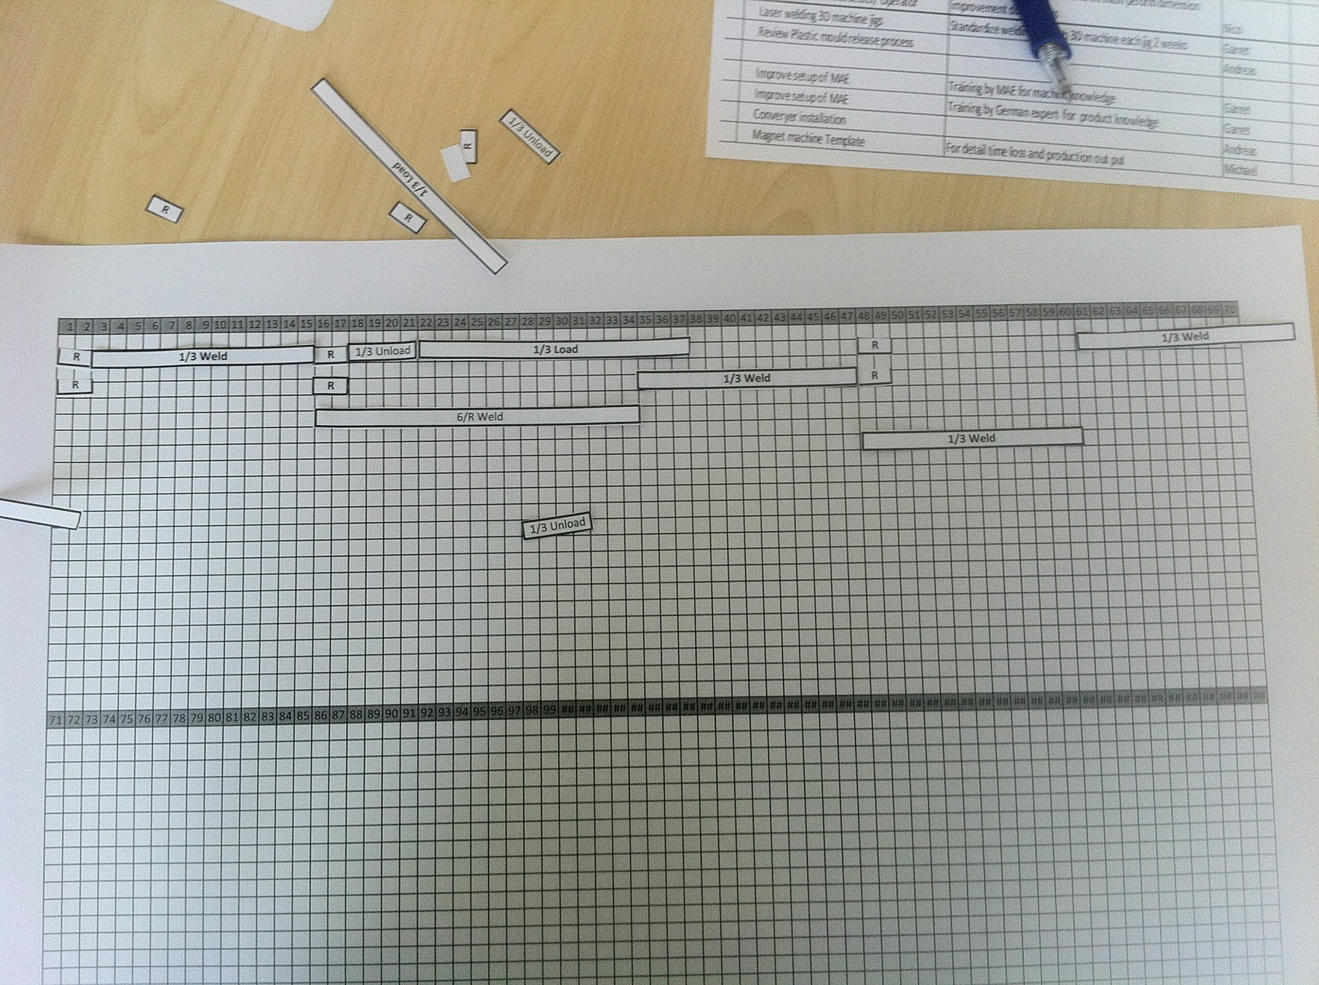

 |  | Actual situation
 |  | 8
 |  | 6
 |  | 1
 |  | 2
 |  | 3
 |  | 10
 |  | 4
 |  | 5
 |  | 7
 |  | 9
 |  | 11
 |  | 12
 |  | 13
 |  | 14

